Intro
Screen No. | DRC18
Report Date | 2014-12-23
Description | DRC screening is performed on a total of 56(54 unique) compounds from 8 labs.
No. of Cell Lines Tested | 55 (some later collected compounds have only 24)
Plate layout
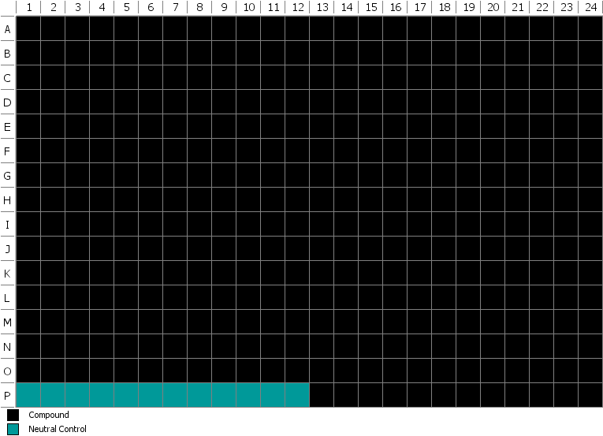

Data column headers | qAC50 Mode - lists whether there is an AC50 value within the specified concentration range(=) or if it is greater (>) or less than (<) the specified concentration range.
 | qAC50_uM - is identical to IC50 or EC50, unit uM.
 | LogAC50 - logarithm of the qAC50, base 10.
 | S0 - the fitted activity level at zero concentration.
 | Sinf - the fitted activity level at infinite concentration.
 | nHill - the measure of the slope at AC50.
 | Valid - displays an assessment of the fit quality.

Notes | Please pay attention to the "Valid" column. When the curve fitting function returns an "unset", their mode and AC50 values are shown as ">" and "maximum tested dose", and there is no "Valid" flag (yes).
 | Please check the sign of the Sinf value as well as the “valid” column before drawing any conclusions about the AC50 value.

Sheet5
Cell line | LOG AC50 | PAK4 expression
DFCI024 | -5.8601209136 | 5.574045
DFCI032 | -6.1475200064 | 4.434317
EKVX | -4.9788107009 | 5.010829
H1299 | -5.4100503987 | 6.214961
H1355 | -5.714442691 | 4.215948
H1373 | -5.1864190114 | 3.915181
H1568 | -5.4788619163 | 5.384319
H1573 | -5.416801226 | 5.139933
H1651 | -5.7594507517 | 5.110738
H1693 | -6.6575773192 | 4.002672
H1703 | -5.9393021596 | 5.403886
H1755 | -5.9281179927 | 3.66483
H1792 | -7.347753659 | 3.621878
H1944 | -5.5670307091 | 5.402224
H1975 | -5.6143937264 | 3.627528
H2023 | -5.4698003018 | 5.642633
H2030 | -6.4436974992 | 4.917043
H2106 | -5.8268137316 | 3.770471
H2122 | -4.6736641391 | 4.780292
H2170 | -5.5622494372 | 4.76944
H2172 | -5.8268137316 | 5.557214
H2228 | -5.2644011003 | 4.294496
H2250 | -4.785156152 | 4.760695
H2342 | -5.8860566477 | 7.258562
H292 | -5.1073489661 | 4.160042
H460 | -5.385102784 | 3.357433
H820 | -5.2027324592 | 7.429917
H838 | -6.2343314452 | 3.796749
H920 | -5.4634415574 | 4.517703
HCC1171 | -5.3010299957 | 4.758686
HCC1359 | -6.4034029044 | 4.348218
HCC1438 | -6.3062730511 | 5.093491
HCC193 | -5.1857524043 | 2.96065
HCC2450 | -6.1129456219 | 5.288596
HCC4006 | -5.3027706572 | 3.115524
HCC827 | -5.642065153 | 5.451379
HCC95 | -5.9871627753 | 4.197808

